Summary
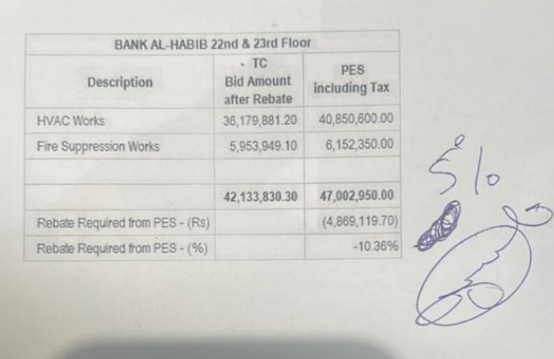
 |  |  |  | Bank Al-Habib Limited

HVAC & Fire Fighting Work |  |  |  | 22-Jan-24
22nd & 23rd Floor Centerpoint Karachi

SUMMARY OF FINAL BILL

S.No | Description | Material | Labour | Amount
1 | HVAC 22nd Floor | 15,074,666 | 1,381,497 | 16,456,163
2 | HVAC 23rd Floor | 15,500,235 | 1,327,840 | 16,828,075
 | Total Amount HVAC |  |  | 33,284,237

3 | Fire Fighting 22nd Floor | 2,234,704 | 494,449 | 2,729,153
4 | Fire Fighting 23rd Floor | 2,209,556 | 487,366 | 2,696,922
 | Total Amount Fire Fighting |  |  | 5,426,075

 | Grand Total Amount | 35,019,161 | 3,691,152 | 38,710,313

